CRR
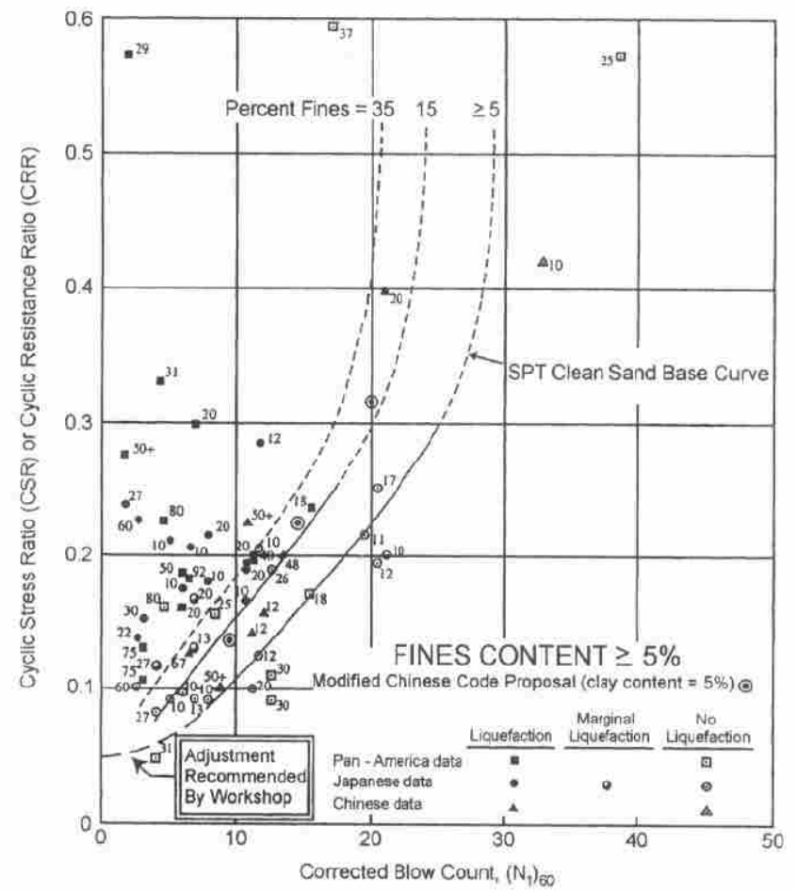
FC5 |  | FC15 |  | FC35 |  | coe |  | 莊FC= | 5 | 莊FC= | 35 | HBF FC= | 5 | HBF FC= | 15 | HBF FC= | 35
N160 | CRR | N160 | CRR | N160 | CRR | 2.0444444E-08 | N160 | sN160 | CRR75 | sN160 | CRR75 | N160cs | CRR75 | N160cs | CRR75 | N160cs | CRR75
0 | 0.0496622 | 0 | 0.065 | 0 | 0.075 | -1.733333333E-06 | 0 | -1.12 | 0.018853549043 | 5.6 | 0.053992529851 | 0 | 0.08 | 0 | 0.08 | 0 | 0.08
2.65306 | 0.0547297 | 1.63265 | 0.068 | 1.32653 | 0.082 | 5.6777777778E-05 | 0.5 | -0.62 | 0.0078470886639 | 6.1 | 0.061305498983 | 0.5 | 0.081772727273 | 0.57826237921 | 0.0820543791 | 0.675 | 0.082404109589
4.38776 | 0.0628378 | 2.85714 | 0.074 | 2.44898 | 0.09 | -0.00089 | 1 | -0.12 | 0.0010775657366 | 6.6 | 0.068394010473 | 1 | 0.083592105263 | 1.1565247584 | 0.084171541554 | 1.35 | 0.084894422311
6.02041 | 0.0719595 | 3.87755 | 0.082 | 3.26531 | 0.0962838 | 0.0066677777778 | 1.5 | 0.38 | -0.0021881720809 | 7.1 | 0.075226062459 | 1.5 | 0.08546 | 1.7347871376 | 0.086354410081 | 2.025 | 0.087475659229
7.55102 | 0.0831081 | 5.10204 | 0.0932432 | 4.79592 | 0.116554 | -0.0081666666667 | 2 | 0.88 | -0.0025965055065 | 7.6 | 0.081789095679 | 2 | 0.087378378378 | 2.3130495168 | 0.088606091673 | 2.7 | 0.090152892562
8.97959 | 0.100338 | 6.22449 | 0.110473 | 6.22449 | 0.134797 | -4E-15 | 2.5 | 1.38 | -0.00071348383419 | 8.1 | 0.088086644471 | 2.5 | 0.089349315068 | 2.8913118961 | 0.090929892348 | 3.375 | 0.092931578947
10.5102 | 0.114527 | 7.44898 | 0.123649 | 7.34694 | 0.152027 |  | 3 | 1.88 | 0.0029689648662 | 8.6 | 0.094135217771 | 3 | 0.091375 | 3.4695742753 | 0.093329333351 | 4.05 | 0.095817596567
12.2449 | 0.131757 | 8.57143 | 0.136824 | 8.87755 | 0.171284 |  | 3.5 | 2.38 | 0.0080270535486 | 9.1 | 0.099961410117 | 3.5 | 0.093457746479 | 4.0478366545 | 0.09580816895 | 4.725 | 0.098817286652
13.5714 | 0.146959 | 9.69388 | 0.151014 | 10.102 | 0.185473 |  | 4 | 2.88 | 0.014099385991 | 9.6 | 0.10559924264 | 4 | 0.0956 | 4.6260990337 | 0.098370406045 | 5.4 | 0.1019375
14.7959 | 0.161149 | 10.9184 | 0.164189 | 11.4286 | 0.20777 |  | 4.5 | 3.38 | 0.020881436596 | 10.1 | 0.11108773408 | 4.5 | 0.097804347826 | 5.2043614129 | 0.10102032577 | 6.075 | 0.1051856492
16.1224 | 0.177365 | 11.9388 | 0.178378 | 13.2653 | 0.228041 |  | 5 | 3.88 | 0.028120260188 | 10.6 | 0.11646870177 | 5 | 0.10007352941 | 5.7826237921 | 0.10376250739 | 6.75 | 0.10856976744
17.7551 | 0.193581 | 13.0612 | 0.192568 | 14.5918 | 0.247297 |  | 5.5 | 4.38 | 0.035609431819 | 11.1 | 0.12178479264 | 5.5 | 0.10241044776 | 6.3608861713 | 0.10660185466 | 7.425 | 0.11209857482
19.1837 | 0.211824 | 13.8776 | 0.203716 | 15.7143 | 0.267568 |  | 6 | 4.88 | 0.043184216561 | 11.6 | 0.12707774423 | 6 | 0.10481818182 | 6.9391485505 | 0.10954362515 | 8.1 | 0.1157815534
20.7143 | 0.232095 | 14.6939 | 0.214865 | 16.7347 | 0.287838 |  | 6.5 | 5.38 | 0.050716969311 | 12.1 | 0.13238687566 | 6.5 | 0.1073 | 7.5174109298 | 0.11259346268 | 8.775 | 0.11962903226
22.0408 | 0.248311 | 16.1224 | 0.232095 | 17.7551 | 0.313176 |  | 7 | 5.88 | 0.058112764592 | 12.6 | 0.13774780866 | 7 | 0.109859375 | 8.095673309 | 0.11575743351 | 9.45 | 0.12365228426
23.2653 | 0.265541 | 17.551 | 0.251351 | 18.6735 | 0.343581 |  | 7.5 | 6.38 | 0.065305256348 | 13.1 | 0.14319141857 | 7.5 | 0.1125 | 8.6739356882 | 0.11904206656 | 10.125 | 0.12786363636
24.5918 | 0.285811 | 18.5714 | 0.270608 | 19.1837 | 0.364865 |  | 8 | 6.88 | 0.072252767748 | 13.6 | 0.1487430153 | 8 | 0.11522580645 | 9.2521980674 | 0.12245439845 | 10.8 | 0.13227659574
25.6122 | 0.307095 | 19.898 | 0.288851 | 19.6939 | 0.382095 |  | 8.5 | 7.38 | 0.078934610983 | 14.1 | 0.15442175438 | 8.5 | 0.11804098361 | 9.8304604466 | 0.12600202374 | 11.475 | 0.13690599455
26.4286 | 0.327365 | 20.7143 | 0.308108 | 20.102 | 0.410473 |  | 9 | 7.88 | 0.085347637071 | 14.6 | 0.16024027794 | 9 | 0.12095 | 10.408722826 | 0.12969315141 | 12.15 | 0.14176815642
27.2449 | 0.347635 | 21.4286 | 0.327365 | 20.4082 | 0.433784 |  | 9.5 | 8.38 | 0.091503015649 | 15.1 | 0.16620458569 | 9.5 | 0.12395762712 | 10.986985205 | 0.13353666828 | 12.825 | 0.14688108883
27.9592 | 0.372973 | 22.0408 | 0.347635 | 20.5102 | 0.464189 |  | 10 | 8.88 | 0.097423244781 | 15.6 | 0.17231413596 | 10 | 0.12706896552 | 11.565247584 | 0.13754221038 | 13.5 | 0.15226470588
28.3673 | 0.398311 | 22.449 | 0.370946 | 20.7143 | 0.490541 |  | 10.5 | 9.38 | 0.10313939075 | 16.1 | 0.17856217666 | 10.5 | 0.13028947368 | 12.143509963 | 0.1417202437 | 14.175 | 0.15794108761
28.7755 | 0.423649 | 22.8571 | 0.393243 | 20.9184 | 0.519932 |  | 11 | 9.88 | 0.10868855787 | 16.6 | 0.18493630631 | 11 | 0.133625 | 12.721772343 | 0.14608215544 | 14.85 | 0.16393478261
28.9796 | 0.444932 | 23.2653 | 0.417568 | 20.92 | 0.6 |  | 11.5 | 10.38 | 0.11411158828 | 17.1 | 0.19141926501 | 11.5 | 0.13708181818 | 13.300034722 | 0.15064035768 | 15.525 | 0.17027316294
29.2857 | 0.473311 | 23.6735 | 0.439865 | 100 | 102 |  | 12 | 10.88 | 0.11945099171 | 17.6 | 0.19798995548 | 12 | 0.14066666667 | 13.878297101 | 0.15540840531 | 16.2 | 0.17698684211
29.3 | 0.6 | 23.9796 | 0.460135 |  |  |  | 12.5 | 11.38 | 0.12474910537 | 18.1 | 0.20462469401 | 12.5 | 0.14438679245 | 14.45655948 | 0.1604011307 | 16.875 | 0.18411016949
100 | 100 | 24.05 | 0.483446 |  |  |  | 13 | 11.88 | 0.13004648364 | 18.6 | 0.21129869153 | 13 | 0.14825 | 15.03482186 | 0.16563479778 | 17.55 | 0.19168181818
 |  | 24.0816 | 0.515878 |  |  |  | 13.5 | 12.38 | 0.13538051795 | 19.1 | 0.21798776451 | 13.5 | 0.15226470588 | 15.613084239 | 0.17112727905 | 18.225 | 0.19974548736
 |  | 24.1 | 0.6 |  |  |  | 14 | 12.88 | 0.14078428654 | 19.6 | 0.22467027607 | 14 | 0.15644 | 16.191346618 | 0.17689825946 | 18.9 | 0.20835074627
 |  | 100 | 101 |  |  |  | 14.5 | 13.38 | 0.1462856343 | 20.1 | 0.23132930688 | 14.5 | 0.16078571429 | 16.769608997 | 0.18296947219 | 19.575 | 0.21755405405
 |  |  |  |  |  |  | 15 | 13.88 | 0.1519064825 | 20.6 | 0.23795505625 | 15 | 0.1653125 | 17.347871376 | 0.1893649721 | 20.25 | 0.22742
 |  |  |  |  |  |  | 15.5 | 14.38 | 0.15766236866 | 21.1 | 0.24454747306 | 15.5 | 0.17003191489 | 17.926133756 | 0.19611145431 | 20.925 | 0.23802282158
 |  |  |  |  |  |  | 16 | 14.88 | 0.16356221631 | 21.6 | 0.25111911678 | 16 | 0.17495652174 | 18.504396135 | 0.20323862663 | 21.6 | 0.24944827586
 |  |  |  |  |  |  | 16.5 | 15.38 | 0.16960833482 | 22.1 | 0.2576982485 | 16.5 | 0.1801 | 19.082658514 | 0.21077964692 | 22.275 | 0.26179596413
 |  |  |  |  |  |  | 17 | 15.88 | 0.17579664917 | 22.6 | 0.26433215188 | 17 | 0.18547727273 | 19.660920893 | 0.21877163887 | 22.95 | 0.27518224299
 |  |  |  |  |  |  | 17.5 | 16.38 | 0.18211715975 | 23.1 | 0.27109068419 | 17.5 | 0.19110465116 | 20.239183272 | 0.22725630322 | 23.625 | 0.28974390244
 |  |  |  |  |  |  | 18 | 16.88 | 0.18855463218 | 23.6 | 0.27807005729 | 18 | 0.197 | 20.817445652 | 0.23628064556 | 24.3 | 0.30564285714
 |  |  |  |  |  |  | 18.5 | 17.38 | 0.19508951712 | 24.1 | 0.28539684865 | 18.5 | 0.20318292683 | 21.395708031 | 0.2458978476 | 24.975 | 0.32307219251
 |  |  |  |  |  |  | 19 | 17.88 | 0.20169910003 | 24.6 | 0.29323224231 | 19 | 0.209675 | 21.97397041 | 0.256168316 | 25.65 | 0.34226404494
 |  |  |  |  |  |  | 19.5 | 18.38 | 0.20835888099 | 25.1 | 0.30177649991 | 19.5 | 0.2165 | 22.552232789 | 0.26716095238 | 26.325 | 0.3635
 |  |  |  |  |  |  | 20 | 18.88 | 0.21504418451 | 25.6 | 0.31127366169 | 20 | 0.22368421053 | 23.130495168 | 0.27895470111 | 27 | 0.387125
 |  |  |  |  |  |  | 20.5 | 19.38 | 0.22173199932 | 26.1 | 0.3220164775 | 20.5 | 0.23125675676 | 23.708757548 | 0.29164044814 | 27.675 | 0.41356622517
 |  |  |  |  |  |  | 21 | 19.88 | 0.22840304816 | 26.6 | 0.33435156775 | 21 | 0.23925 | 24.287019927 | 0.30532336777 | 28.35 | 0.44335915493
 |  |  |  |  |  |  | 21.5 | 20.38 | 0.23504408761 | 27.1 | 0.34868481446 | 21.5 | 0.2477 | 24.865282306 | 0.32012584533 | 29.025 | 0.47718421053
 |  |  |  |  |  |  | 22 | 20.88 | 0.24165043786 | 27.6 | 0.36548698225 | 22 | 0.25664705882 | 25.443544685 | 0.33619114798 | 29.7 | 0.51591935484
 |  |  |  |  |  |  | 22.5 | 21.38 | 0.24822874251 | 28.1 | 0.38529956933 | 22.5 | 0.26613636364 | 26.021807065 | 0.35368807676 | 30.375 | 0.5607173913
 |  |  |  |  |  |  | 23 | 21.88 | 0.25479995839 | 28.6 | 0.40874088848 | 23 | 0.27621875 | 26.600069444 | 0.37281692043 | 31.05 | 0.61312264151
 |  |  |  |  |  |  | 23.5 | 22.38 | 0.26140257534 | 29.1 | 0.43651237811 | 23.5 | 0.2869516129 | 27.178331823 | 0.39381715662 | 31.725 | 0.67525257732
 |  |  |  |  |  |  | 24 | 22.88 | 0.26809606605 | 29.6 | 0.46940514319 | 24 | 0.2984 | 27.756594202 | 0.41697752947 | 32.4 | 0.75009090909
 |  |  |  |  |  |  | 24.5 | 23.38 | 0.27496456578 | 30 | 0.49999968428 | 24.5 | 0.31063793103 | 28.334856581 | 0.44264940579 | 33.075 | 0.84198101266
 |  |  |  |  |  |  | 25 | 23.88 | 0.28212078225 | 30 | 0.49999968428 | 25 | 0.32375 | 28.913118961 | 0.47126472521 | 33.75 | 0.9575
 |  |  |  |  |  |  | 25.5 | 24.38 | 0.28971013539 | 30 | 0.49999968428 | 25.5 | 0.33783333333 | 29.49138134 | 0.50336050027 | 34.425 | 1.1071065574
 |  |  |  |  |  |  | 26 | 24.88 | 0.29791512712 | 30 | 0.49999968428 | 26 | 0.353 | 30.069643719 | 0.53961283498 | 35.1 | 1.3085
 |  |  |  |  |  |  | 26.5 | 25.38 | 0.30695994122 | 30 | 0.49999968428 | 26.5 | 0.36938 | 30.647906098 | 0.58088507524 | 35.775 | 1.5941976744
 |  |  |  |  |  |  | 27 | 25.88 | 0.31711527305 | 30 | 0.49999968428 | 27 | 0.387125 | 31.226168477 | 0.62829744957 | 36.45 | 2.0311470588
 |  |  |  |  |  |  | 27.5 | 26.38 | 0.32870338942 | 30 | 0.49999968428 | 27.5 | 0.40641304348 | 31.804430857 | 0.68333028916 | 37.125 | 2.7827
 |  |  |  |  |  |  | 28 | 26.88 | 0.34210341834 | 30 | 0.49999968428 | 28 | 0.42745454545 | 32.382693236 | 0.74798136829 | 37.8 | 4.37975
 |  |  |  |  |  |  | 28.5 | 27.38 | 0.35775686884 | 30 | 0.49999968428 | 28.5 | 0.4505 | 32.960955615 | 0.82501364036 | 38.475 | 10.0835
 |  |  |  |  |  |  | 29 | 27.88 | 0.37617338077 | 30 | 0.49999968428 | 29 | 0.47585 | 33.539217994 | 0.91836037613 | 39.15 | -
 |  |  |  |  |  |  | 29.5 | 28.38 | 0.39793670458 | 30 | 0.49999968428 | 29.5 | 0.50386842105 | 34.117480374 | 1.0338181978 | 39.825 | -
 |  |  |  |  |  |  | 30 | 28.88 | 0.42371091116 | 30 | 0.49999968428 | 30 | 0.535 | 34.695742753 | 1.1802987539 | 40.5 | -
 |  |  |  |  |  |  | 30.5 | 29.38 | 0.4542468316 | 30 | 0.49999968428 | 30.5 | 0.56979411765 | 35.274005132 | 1.3722459292 | 41.175 | -
 |  |  |  |  |  |  | 31 | 29.88 | 0.49038872702 | 30 | 0.49999968428 | 31 | 0.6089375 | 35.852267511 | 1.6347174141 | 41.85 | -
 |  |  |  |  |  |  | 31.5 | 30 | 0.49999968428 | 30 | 0.49999968428 | 31.5 | 0.6533 | 36.43052989 | 2.015327954 | 42.525 | -
 |  |  |  |  |  |  | 32 | 30 | 0.49999968428 | 30 | 0.49999968428 | 32 | 0.704 | 37.00879227 | 2.6170030799 | 43.2 | -
 |  |  |  |  |  |  | 32.5 | 30 | 0.49999968428 | 30 | 0.49999968428 | 32.5 | 0.7625 | 37.587054649 | 3.7111616406 | 43.875 | -
 |  |  |  |  |  |  | 33 | 30 | 0.49999968428 | 30 | 0.49999968428 | 33 | 0.83075 | 38.165317028 | 6.3213706152 | 44.55 | -
 |  |  |  |  |  |  | 33.5 | 30 | 0.49999968428 | 30 | 0.49999968428 | 33.5 | 0.91140909091 | 38.743579407 | 20.704313095 | 45.225 | -
 |  |  |  |  |  |  | 34 | 30 | 0.49999968428 | 30 | 0.49999968428 | 34 | 1.0082 | 39.321841786 | - | 45.9 | -
 |  |  |  |  |  |  | 34.5 | 30 | 0.49999968428 | 30 | 0.49999968428 | 34.5 | 1.1265 | 39.900104166 | - | 46.575 | -
 |  |  |  |  |  |  | 35 | 30 | 0.49999968428 | 30 | 0.49999968428 | 35 | 1.274375 | 40.478366545 | - | 47.25 | -
 |  |  |  |  |  |  | 35.5 | 30 | 0.49999968428 | 30 | 0.49999968428 | 35.5 | 1.4645 | 41.056628924 | - | 47.925 | -
 |  |  |  |  |  |  | 36 | 30 | 0.49999968428 | 30 | 0.49999968428 | 36 | 1.718 | 41.634891303 | - | 48.6 | -
 |  |  |  |  |  |  | 36.5 | 30 | 0.49999968428 | 30 | 0.49999968428 | 36.5 | 2.0729 | 42.213153683 | - | 49.275 | -
 |  |  |  |  |  |  | 37 | 30 | 0.49999968428 | 30 | 0.49999968428 | 37 | 2.60525 | 42.791416062 | - | 49.95 | -
 |  |  |  |  |  |  | 37.5 | 30 | 0.49999968428 | 30 | 0.49999968428 | 37.5 | 3.4925 | 43.369678441 | - | 50.625 | -
 |  |  |  |  |  |  | 38 | 30 | 0.49999968428 | 30 | 0.49999968428 | 38 | 5.267 | 43.94794082 | - | 51.3 | -
 |  |  |  |  |  |  | 38.5 | 30 | 0.49999968428 | 30 | 0.49999968428 | 38.5 | 10.5905 | 44.526203199 | - | 51.975 | -
 |  |  |  |  |  |  | 39 | 30 | 0.49999968428 | 30 | 0.49999968428 | 39 | - | 45.104465579 | - | 52.65 | -
 |  |  |  |  |  |  | 39.5 | 30 | 0.49999968428 | 30 | 0.49999968428 | 39.5 | - | 45.682727958 | - | 53.325 | -
 |  |  |  |  |  |  | 40 | 30 | 0.49999968428 | 30 | 0.49999968428 | 40 | - | 46.260990337 | - | 54 | -
 |  |  |  |  |  |  | 40.5 | 30 | 0.49999968428 | 30 | 0.49999968428 | 40.5 | - | 46.839252716 | - | 54.675 | -
 |  |  |  |  |  |  | 41 | 30 | 0.49999968428 | 30 | 0.49999968428 | 41 | - | 47.417515095 | - | 55.35 | -
 |  |  |  |  |  |  | 41.5 | 30 | 0.49999968428 | 30 | 0.49999968428 | 41.5 | - | 47.995777475 | - | 56.025 | -
 |  |  |  |  |  |  | 42 | 30 | 0.49999968428 | 30 | 0.49999968428 | 42 | - | 48.574039854 | - | 56.7 | -
 |  |  |  |  |  |  | 42.5 | 30 | 0.49999968428 | 30 | 0.49999968428 | 42.5 | - | 49.152302233 | - | 57.375 | -
 |  |  |  |  |  |  | 43 | 30 | 0.49999968428 | 30 | 0.49999968428 | 43 | - | 49.730564612 | - | 58.05 | -
 |  |  |  |  |  |  | 43.5 | 30 | 0.49999968428 | 30 | 0.49999968428 | 43.5 | - | 50.308826991 | - | 58.725 | -
 |  |  |  |  |  |  | 44 | 30 | 0.49999968428 | 30 | 0.49999968428 | 44 | - | 50.887089371 | - | 59.4 | -
 |  |  |  |  |  |  | 44.5 | 30 | 0.49999968428 | 30 | 0.49999968428 | 44.5 | - | 51.46535175 | - | 60.075 | -
 |  |  |  |  |  |  | 45 | 30 | 0.49999968428 | 30 | 0.49999968428 | 45 | - | 52.043614129 | - | 60.75 | -
 |  |  |  |  |  |  | 45.5 | 30 | 0.49999968428 | 30 | 0.49999968428 | 45.5 | - | 52.621876508 | - | 61.425 | -
 |  |  |  |  |  |  | 46 | 30 | 0.49999968428 | 30 | 0.49999968428 | 46 | - | 53.200138888 | - | 62.1 | -
 |  |  |  |  |  |  | 46.5 | 30 | 0.49999968428 | 30 | 0.49999968428 | 46.5 | - | 53.778401267 | - | 62.775 | -
 |  |  |  |  |  |  | 47 | 30 | 0.49999968428 | 30 | 0.49999968428 | 47 | - | 54.356663646 | - | 63.45 | -
 |  |  |  |  |  |  | 47.5 | 30 | 0.49999968428 | 30 | 0.49999968428 | 47.5 | - | 54.934926025 | - | 64.125 | -
 |  |  |  |  |  |  | 48 | 30 | 0.49999968428 | 30 | 0.49999968428 | 48 | - | 55.513188404 | - | 64.8 | -
 |  |  |  |  |  |  | 48.5 | 30 | 0.49999968428 | 30 | 0.49999968428 | 48.5 | - | 56.091450784 | - | 65.475 | -
 |  |  |  |  |  |  | 49 | 30 | 0.49999968428 | 30 | 0.49999968428 | 49 | - | 56.669713163 | - | 66.15 | -
 |  |  |  |  |  |  | 49.5 | 30 | 0.49999968428 | 30 | 0.49999968428 | 49.5 | - | 57.247975542 | - | 66.825 | -
 |  |  |  |  |  |  | 50 | 30 | 0.49999968428 | 30 | 0.49999968428 | 50 | - | 57.826237921 | - | 67.5 | -

CN
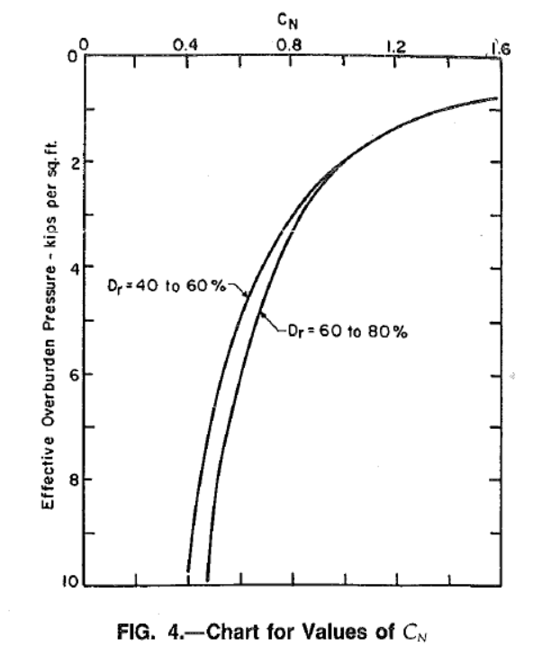
svp kip/ft2 | svp kg/cm2 | CN | CN Seed1985 | 1 kip/ft2 = 0.48824276270581 kg/cm2 | Seed1985 | sigmav'單位是kg/cm2
0.762332 | 0.37220303398 | 1.57985 | 1.6391173433 | 1 kg/cm2 = 2.048161440137 kip/ft2
0.807175 | 0.39409730137 | 1.51134 | 1.5929357879
0.852018 | 0.41599156877 | 1.43879 | 1.5504498942
0.964126 | 0.47072748138 | 1.35819 | 1.4575223507
1.12108 | 0.54735912612 | 1.27355 | 1.3516486602
1.30045 | 0.63493521922 | 1.19295 | 1.2549756263
1.54709 | 0.75535539874 | 1.1204 | 1.150599898
1.83857 | 0.89766838094 | 1.04383 | 1.0554606245
2.13004 | 1.0399764807 | 0.967254 | 0.98059176365 |  | 水銀柱高 | 76 | cm
2.3991 | 1.1713430616 | 0.918892 | 0.92397015914 |  | 水柱高 | 1033.6 | cm
2.75785 | 1.3465001302 | 0.858438 | 0.86178077244 |  |  | 1 | g/cm3
3.09417 | 1.5107059151 | 0.814106 | 0.81359830507 |  |  | 1033.6 | g/cm2
3.49776 | 1.7077557864 | 0.765743 | 0.76522141822 |  |  | 1.0336 | kg/cm2
3.90135 | 1.9048056576 | 0.721411 | 0.72456051568
4.3722 | 2.1346947329 | 0.681108 | 0.68443484359
4.91031 | 2.3974230122 | 0.628715 | 0.64584405337
5.5157 | 2.6930002604 | 0.600504 | 0.60937102809
6.09865 | 2.9776213424 | 0.572292 | 0.57951577939
6.7713 | 3.3060377945 | 0.54005 | 0.54997898217
7.33184 | 3.5797173576 | 0.515869 | 0.52853728711
7.9148 | 3.864343322 | 0.491688 | 0.50870048084
8.47534 | 4.138022885 | 0.479597 | 0.49159058418
9.10314 | 4.4445416521 | 0.463476 | 0.47433646178
9.59641 | 4.6853771287 | 0.447355 | 0.46198483886
10 | 4.882427 | 0.451385 | 0.45256620545

rd
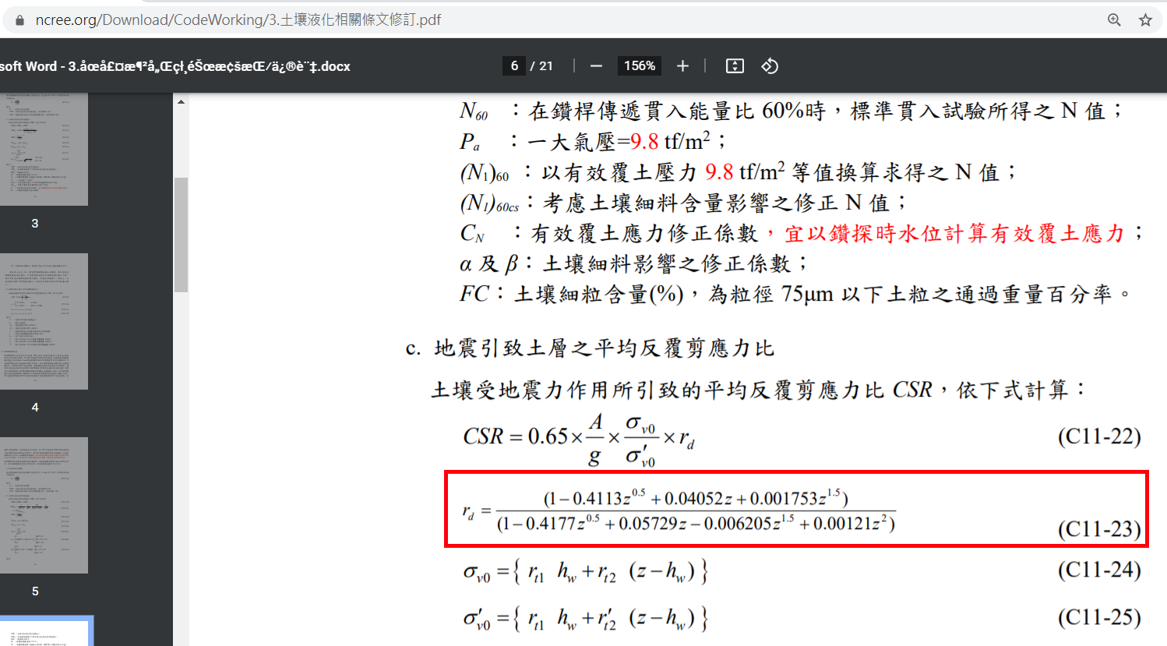
rd | depth | 土壤液化條文修訂
1 | 0
0.99429242273 | 1
0.98665680253 | 2
0.97947759301 | 3
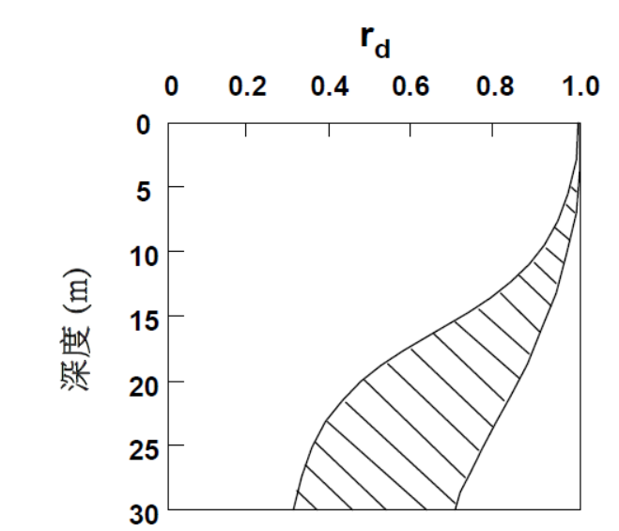
0.97255419831 | 4
0.96547936161 | 5
0.95770333096 | 6
0.94854582977 | 7
0.93722465444 | 8
0.92292665233 | 9
0.90493425245 | 10
0.88279888807 | 11
0.85651836519 | 12
0.82664478602 | 13
0.79425300831 | 14
0.76075356166 | 15
0.72761231701 | 16
0.69608488214 | 17
0.66705334725 | 18
0.64098984404 | 19
0.61801539304 | 20
0.59800205462 | 21
0.58067596982 | 22
0.56569907209 | 23
0.55272400088 | 24
0.54142581888 | 25
0.53151705816 | 26
0.5227522526 | 27
0.51492659003 | 28
0.50787174052 | 29
0.50145068678 | 30

